Script
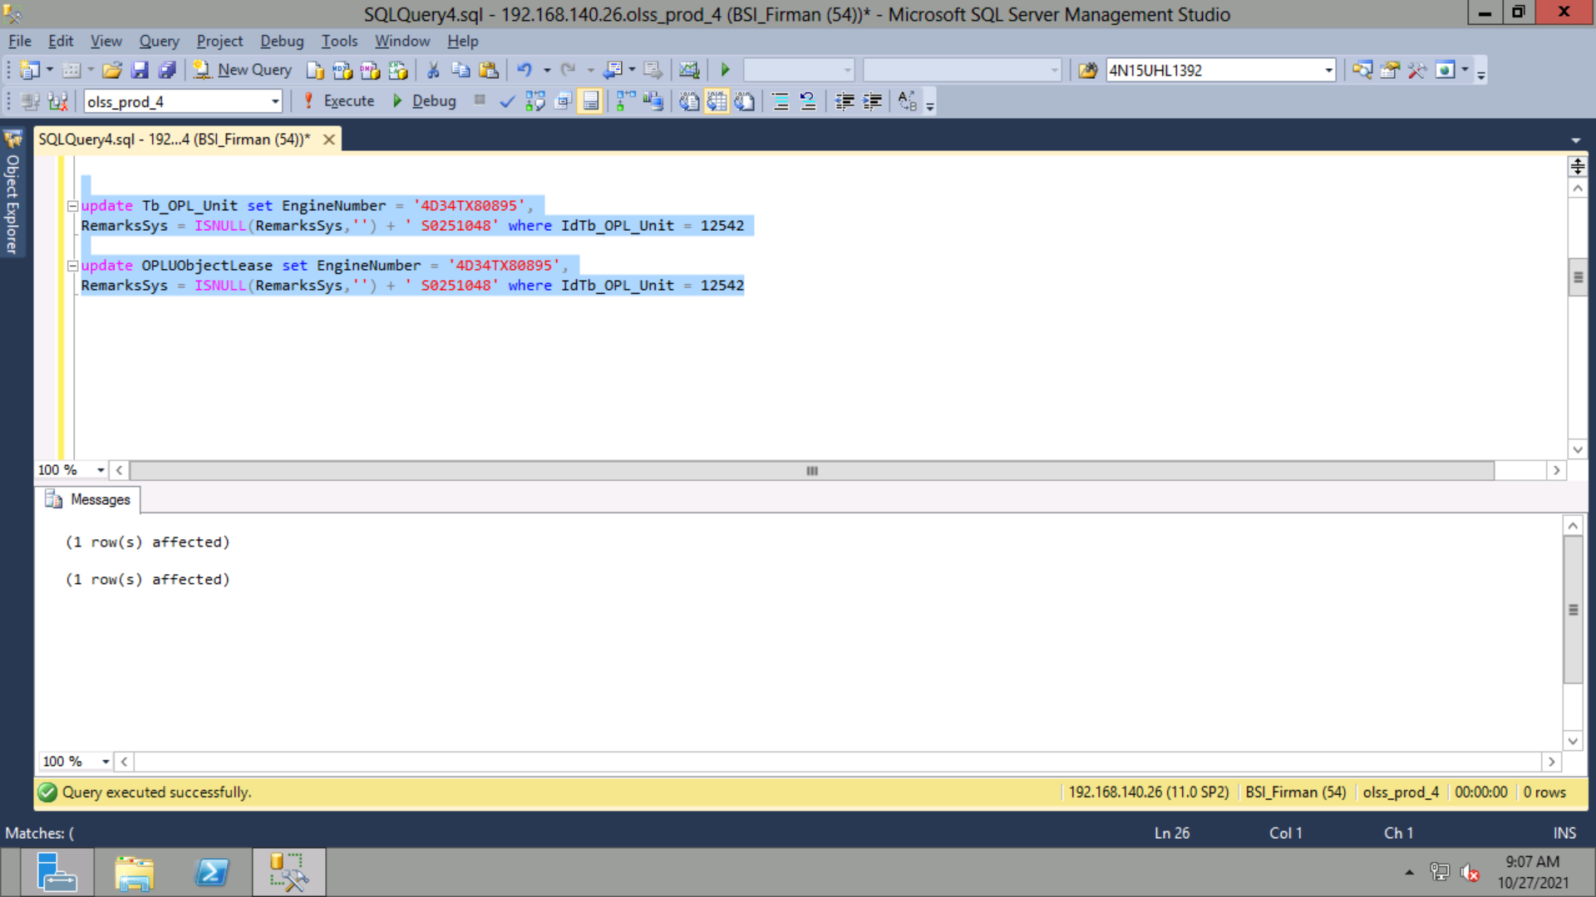
update Tb_OPL_Unit set EngineNumber = '4D34TX80895',
RemarksSys = ISNULL(RemarksSys,'') + ' S0251048' where IdTb_OPL_Unit = 12542

update OPLUObjectLease set EngineNumber = '4D34TX80895',
RemarksSys = ISNULL(RemarksSys,'') + ' S0251048' where IdTb_OPL_Unit = 12542

Screenshot
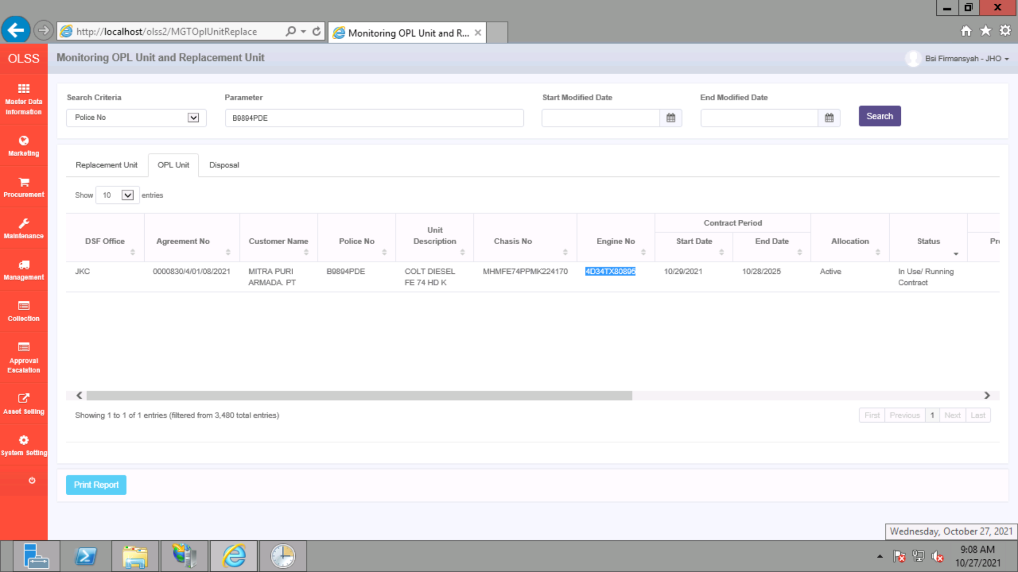
BEFORE
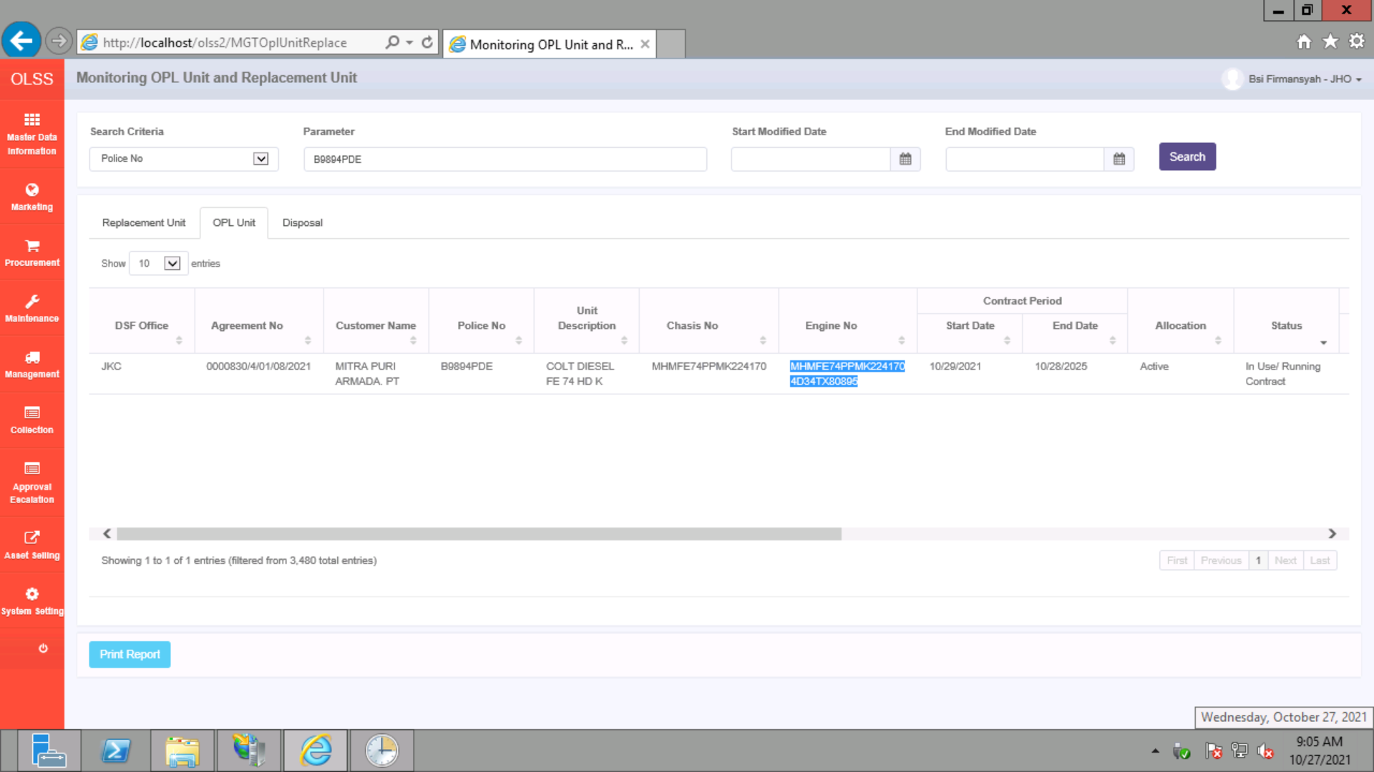

AFTER

